Instructions
Instructions for Using the EDGE Excel Tool – Measure EEM04 (V3.0 and V3.1)
Purpose:This Excel file is designed to help prepare the inputs required for the EEM04 measure in EDGE, for versions V3.0 and V3.1. It ensures formulas are applied correctly and, when needed, allows expanding the number of shading types beyond the standard limit of three
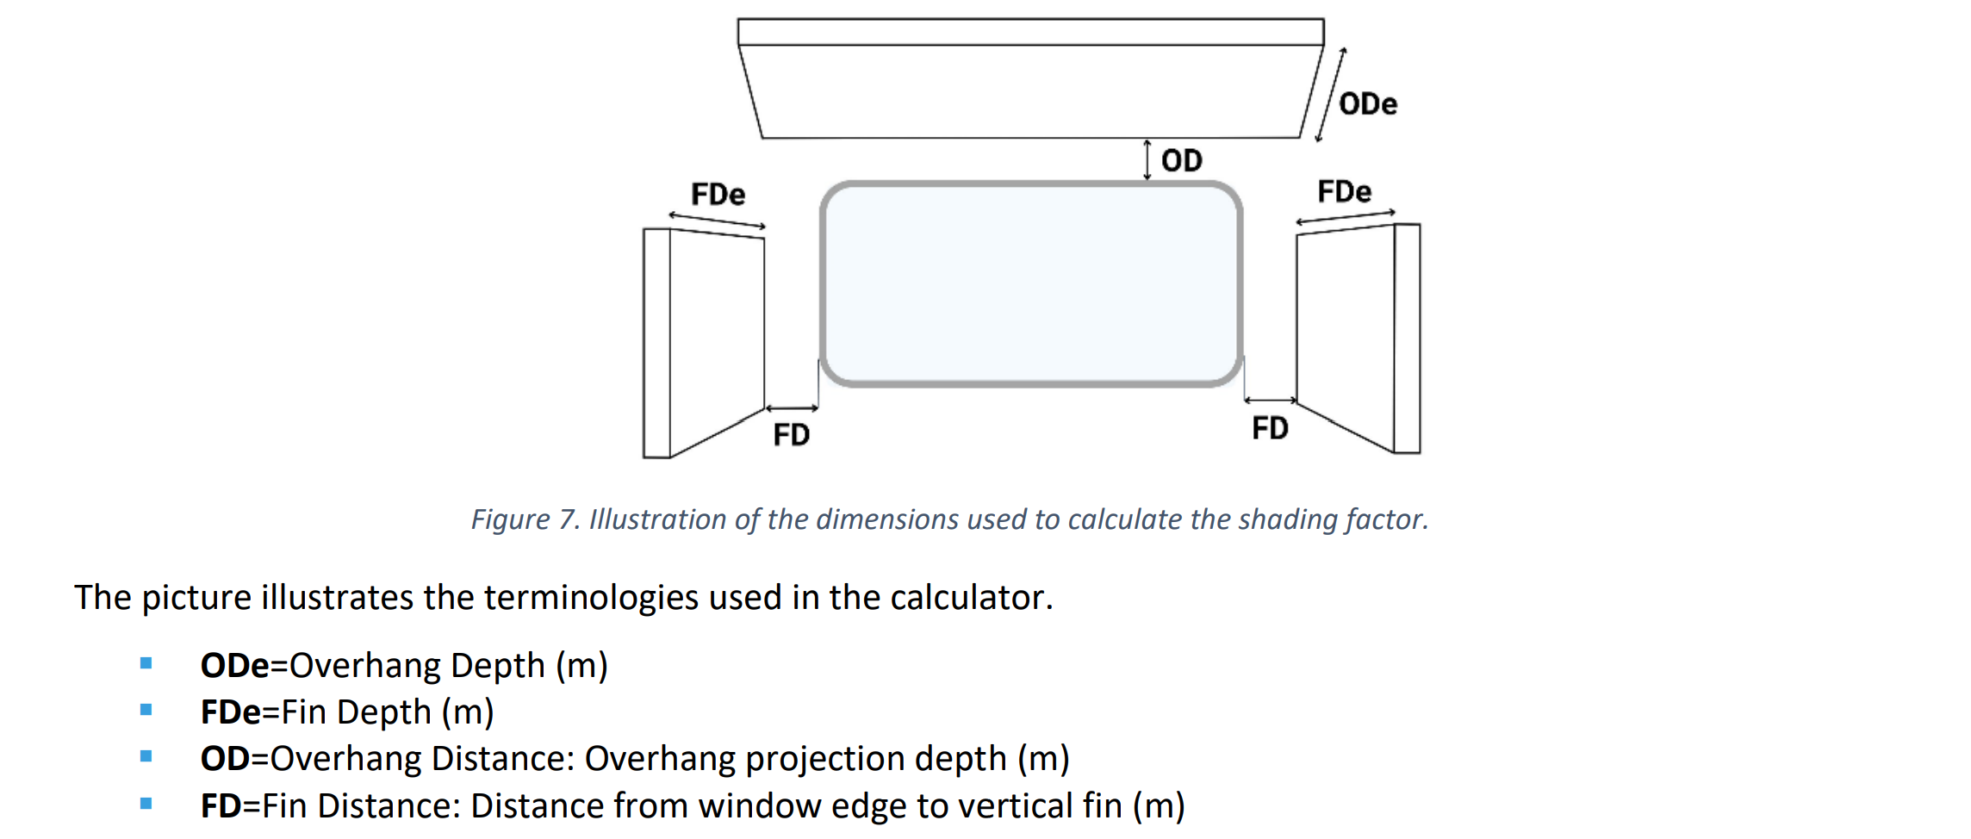 How to Fill the Tool - External Shading Devices Calc: 1. List and Identify Windows by Orientation - In Columns B–K, list each window or identical group of windows according to its orientation. - Use cardinal and intercardinal orientations as shown in the building elevations - If an orientation has more than one shading type (e.g., horizontal overhang vs. combined fins + overhang), add extra rows for each type. - Extend the formula ranges so Columns L–Q calculate results for all entries 2. Define Shading Type - Horizontal (Overhang): Flat projection above the window. - Vertical (Fin): Vertical projections at the sides of the window. - Combined (Egg Crate): Combination of horizontal and vertical shading elements. - Assign clear labels (e.g., Type 1, Type 2, Type 3) and keep the naming consistent for the same building. 3.Count the Number of Windows - Enter in the Count column the total number of windows in this orientation that have the exact same shading configuration and dimensions. 4. Measure Shading Geometry - Record measurements based on design drawings or as-built site measurements: Horizontal overhangs (above window): Overhang Depth (m): Projection distance of the overhang outward from the wall. Overhang Distance (m): Vertical distance from the top of the window to the overhang (if the overhang is directly above, this distance is usually 0). Vertical fins (side shading): Fin Depth (m): Projection distance of the fin outward from the wall. Fin Distance (m): Horizontal distance from the window edge to the fin. - If multiple identical windows exist in that orientation/shading type, the same dimensions are used for all rows referring to this type - If dimensions differ, create separate entries for each set 5. Review the calculated outputs in Columns L–Q. - Check that formula outputs are correct for each row. - Transfer the calculated shading factor details

